Sheet1
Period | Total | medical mask | KF-AD (=KF-Anti Droplet) | surgical mask | date | publicly-distributed face mask production | Period | mask production daily
기간(주단위) | 합계 | 보건용 마스크 | 비말차단 | 수술용 마스크 | 날짜 | 공적마스크 생산량 |  | 일일생산
202001 |  | 46130000 |  |  | 20200711 | 1141000 | 201912(추정) | 3000000
20200224~20200301 | 69900000 | 65520000 | 0 | 4380000 | 20200710 | 2362000 | 20200130 | 6590000
20200302~20200308 | 72720000 |  |  |  | 20200709 | 2928000 | 20년2월2주 | 9600000
20200309~20200315 | 82130000 |  |  |  | 20200708 | 2856000 | 20년2월4주 | 9990000
20200316~20200322 | 83750000 |  |  |  | 20200707 | 2536000 | 20년3월2주 | 11730000
20200323~20200329 | 83520000 | 79630000 | 0 | 3890000 | 20200706 | 3359000 | 20년3월4주 | 11930000
20200330~20200405 | 77900000 |  |  |  | 20200705 | 966000 | 20년4월2주 | 11740000
20200406~20200412 | 82220000 |  |  |  | 20200704 | 3148000 | 20년4월4주 | 11880000
20200413~20200419 | 78020000 |  |  |  | 20200703 | 6826000 | 20년5월1주 | 11330000
20200420~20200426 | 83140000 | 79620000 | 0 | 3520000 | 20200702 | 7547000 | 20년5월3주 | 14660000
20200427~20200503 | 76840000 |  |  |  | 20200701 | 6387000 | 20년5월4주 | 14350000
20200504~20200510 | 79360000 |  |  |  | 20200630 | 6370000 | 20년6월2주 | 15180000
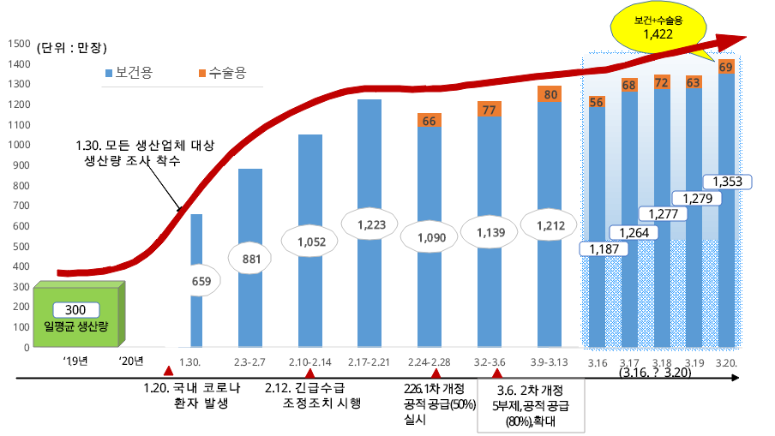
20200511~20200517 | 91970000 |  |  |  | 20200629 | 8869000
20200518~20200524 | 102630000 |  |  |  | 20200628 | 1860000
20200525~20200531 | 100470000 | 96170000 | 0 | 4300000 | 20200627 | 6382000
20200601~20200607 | 104340000 | 99690000 | 370000 | 4280000 | 20200626 | 7625000
20200608~20200614 | 106240000 | 100280000 | 1280000 | 4680000 | 20200625 | 7601000
20200615~20200621 | 111140000 | 103500000 | 3620000 | 4020000 | 20200624 | 10553000
20200622~20200628 | 123730000 | 106530000 | 13690000 | 3510000 | 20200623 | 7966000
20200629~20200705 | 126870000 | 88320000 | 34740000 | 3810000 | 20200622 | 9433000
20200706~20200712 | 114910000 | 67740000 | 43390000 | 3780000 | 20200621 | 9272000
20200713~20200719 | 148830000 | 89480000 | 54840000 | 4510000 | 20200620 | 2018000
20200720~20200726 | 168830000 | 94900000 | 69260000 | 4670000 | 20200619 | 8332000
20200727~20200802 | 180690000 | 93690000 | 81810000 | 5190000 | 20200618 | 11284000
20200803~20200809 | 177220000 | 85720000 | 82960000 | 8540000 | 20200617 | 7602000
20200810~20200816 | 183090000 | 88900000 | 83250000 | 10940000 | 20200616 | 7486000
20200817~20200823 | 205120000 | 104340000 | 83450000 | 17330000 | 20200615 | 7329000
20200824~20200830 | 273680000 | 151690000 | 102290000 | 19700000 | 20200614 | 1540000
20200831~20200906 | 257390000 | 158050000 | 84240000 | 15100000 | 20200613 | 5049000
20200907~20200913 | 273110000 | 174370000 | 82480000 | 16260000 | 20200612 | 7057000
20200914~20200920 | 284520000 | 190640000 | 71520000 | 22360000 | 20200611 | 7506000
20200921~20200927 | 263440000 | 194800000 | 52740000 | 15900000 | 20200610 | 9089000
20200928~20201011 | 302820000 | 241640000 | 43160000 | 18020000 | 20200609 | 6064000
20201012~20201018 | 194420000 | 150050000 | 31830000 | 12540000 | 20200608 | 9374000
20201019~20201025 | 178390000 | 133960000 | 33420000 | 11010000 | 20200607 | 1930000
 |  |  |  |  | 20200606 | 5087000
 |  |  |  |  | 20200605 | 8647000
 |  |  |  |  | 20200604 | 9265000
 |  |  |  |  | 20200603 | 8976000
 |  |  |  |  | 20200602 | 7787000
 |  |  |  |  | 20200601 | 8656000
 |  |  |  |  | 20200531 | 2009000
 |  |  |  |  | 20200530 | 7754000
 |  |  |  |  | 20200529 | 8842000
 |  |  |  |  | 20200528 | 9878000
 |  |  |  |  | 20200527 | 8820000
 |  |  |  |  | 20200526 | 9456000
 |  |  |  |  | 20200525 | 9330000
 |  |  |  |  | 20200524 | 2093000
 |  |  |  |  | 20200523 | 9023000
 |  |  |  |  | 20200522 | 7861000
 |  |  |  |  | 20200521 | 7868000
 |  |  |  |  | 20200520 | 10259000
 |  |  |  |  | 20200519 | 8087000
 |  |  |  |  | 20200518 | 9057000
 |  |  |  |  | 20200517 | 2215000
 |  |  |  |  | 20200516 | 8308000
 |  |  |  |  | 20200515
 |  |  |  |  | 20200514 | 8639000
 |  |  |  |  | 20200513 | 8201000
 |  |  |  |  | 20200512 | 8676000
 |  |  |  |  | 20200511 | 9132000
 |  |  |  |  | 20200510 | 2138000
 |  |  |  |  | 20200509 | 8457000
 |  |  |  |  | 20200508 | 9999000
 |  |  |  |  | 20200507 | 8832000
 |  |  |  |  | 20200506 | 9411000
 |  |  |  |  | 20200505 | 2402000
 |  |  |  |  | 20200504 | 9297000
 |  |  |  |  | 20200503 | 2709000
 |  |  |  |  | 20200502 | 11139000
 |  |  |  |  | 20200501 | 7453000
 |  |  |  |  | 20200430 | 3736000
 |  |  |  |  | 20200429 | 10637000
 |  |  |  |  | 20200428 | 9258000
 |  |  |  |  | 20200427 | 10875000
 |  |  |  |  | 20200426 | 1794000
 |  |  |  |  | 20200425 | 7808000
 |  |  |  |  | 20200424 | 7446000
 |  |  |  |  | 20200423 | 6202000
 |  |  |  |  | 20200422 | 6887000
 |  |  |  |  | 20200421 | 6793000
 |  |  |  |  | 20200420 | 9370000
 |  |  |  |  | 20200419 | 1898000
 |  |  |  |  | 20200418 | 7239000
 |  |  |  |  | 20200417 | 7919000
 |  |  |  |  | 20200416 | 8870000
 |  |  |  |  | 20200415 | 9715000
 |  |  |  |  | 20200414 | 9890000
 |  |  |  |  | 20200413 | 10184000
 |  |  |  |  | 20200412 | 2303000
 |  |  |  |  | 20200411 | 7929000
 |  |  |  |  | 20200410 | 10245000
 |  |  |  |  | 20200409 | 9808000
 |  |  |  |  | 20200408 | 9408000
 |  |  |  |  | 20200407 | 9728000
 |  |  |  |  | 20200406 | 10134000
 |  |  |  |  | 20200405 | 2361000
 |  |  |  |  | 20200404 | 9793000
 |  |  |  |  | 20200403 | 10147000
 |  |  |  |  | 20200402 | 9958000
 |  |  |  |  | 20200401 | 12674000
 |  |  |  |  | 20200331 | 10194000
 |  |  |  |  | 20200330 | 11112000
 |  |  |  |  | 20200329 | 2730000
 |  |  |  |  | 20200328 | 10886000
 |  |  |  |  | 20200327 | 8339000
 |  |  |  |  | 20200326 | 9710000
 |  |  |  |  | 20200325 | 10454000
 |  |  |  |  | 20200324 | 8509000
 |  |  |  |  | 20200323 | 8269000
 |  |  |  |  | 20200322 | 2648000
 |  |  |  |  | 20200321 | 9190000
 |  |  |  |  | 20200320 | 8031000
 |  |  |  |  | 20200319 | 8195000
 |  |  |  |  | 20200318 | 8488000
 |  |  |  |  | 20200317 | 8738000
 |  |  |  |  | 20200316 | 8304000
 |  |  |  |  | 20200315 | 1581000
 |  |  |  |  | 20200314 | 8786000
 |  |  |  |  | 20200313 | 8021000
 |  |  |  |  | 20200312 | 7807000
 |  |  |  |  | 20200311 | 7802000
 |  |  |  |  | 20200310 | 7402000
 |  |  |  |  | 20200309 | 7019000
 |  |  |  |  | 20200308 | 1050000
 |  |  |  |  | 20200307 | 4705000
 |  |  |  |  | 20200306 | 7260000
 |  |  |  |  | 20200305 | 3342000
 |  |  |  |  | 20200304 | 5415000
 |  |  |  |  | 20200303 | 5760000
 |  |  |  |  | 20200302 | 5877000
 |  |  |  |  | 20200301 | 2037000
 |  |  |  |  | 20200229 | 4480000
 |  |  |  |  | 20200228 | 5011000

 |  |  |  |  | 20200216 | 5720000
 |  |  |  |  | 20200215 | 7930000
 |  |  |  |  | 20200214 | 12660000
 |  |  |  |  | 20200213 | 11180000
 |  |  |  |  | 20200212 | 11630000

